Photos
Photos | Style Number | Gender | Class | Style Description | QTY | RRP USD
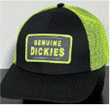 | GH103BK | Mens | Hats | Gd Twill E-Viz Trucker Cap | 31342 | $13.97
 | GH103ML | Mens | Hats | Gd Twill E-Viz Trucker Cap | 28639 | $13.97
 | GH103DN | Mens | Hats | Gd Twill E-Viz Trucker Cap | 23082 | $13.97
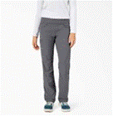 | SPF400BK | Womens | Work Pant | Performance Pant | 10827 | $49.99
 | FPR57BKX | Womens | Pants | Contrast Cropped Cargo Pant | 9337 | $59.99
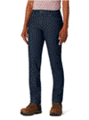 | AD236MSW | Womens | 5 Pocket Pant | Gd 5-Pocket Jean Straight Fit - Rela | 6643 | $34.99
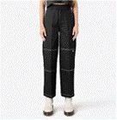 | FPR12BKX | Womens | Pants | Double Knee Pant | 6531 | $74.99
 | FPR50CNU | Womens | Pants | Cropped Cargo Pant | 6152 | $64.99
 | FPR12ML | Womens | Pants | Double Knee Pant | 6023 | $74.99
 | SLF407VSH | Womens | Shirts LS | Temp Iq Sunshirt | 5909 | $39.99
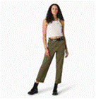 | FPR57ML | Womens | Pants | Contrast Cropped Cargo Pant | 5870 | $59.99
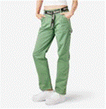 | FPR51D2I | Womens | Pants | High Waisted Carpenter Pant | 5378 | $54.99
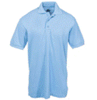 | KS5552LB | Boys | Polo SS | Pique Ss Polo | 5335 | $17.99
 | DB100BLE | Mens | Bibs | Duck And Denim Bib | 5112 | $49.99
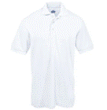 | KS5552WH | Boys | Polo SS | Pique Ss Polo | 5062 | $17.99
 | WHR14BK | Mens | Hats | Red Chute Textured Fleece Bucket Hat | 5029 | $44.99
 | FLR51GSX | Womens | Crew LS | Ls Crop Baby Tee | 5026 | $34.99
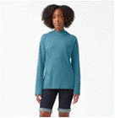 | SLF407ESD | Womens | Shirts LS | Temp Iq Sunshirt | 4884 | $39.99
 | WHR14DS | Mens | Hats | Red Chute Textured Fleece Bucket Hat | 4782 | $44.99
 | FVR52CL9 | Womens | Skirts | Solid Twill Bib Skirtall | 4694 | $59.99
 | WHR14IE | Mens | Hats | Red Chute Textured Fleece Bucket Hat | 4416 | $44.99
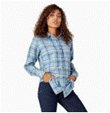 | FL075B2Y | Womens | Shirts LS | Ls Flannel Shirt | 4208 | $34.99
 | SLF407FE | Womens | Shirts LS | Temp Iq Sunshirt | 4203 | $39.99
 | SLF407F2F | Womens | Shirts LS | Temp Iq Sunshirt | 4175 | $39.99
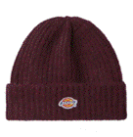 | WHR16GW9 | Mens | Hats | Brewton Beanie | 4133 | $32.99
 | SLF407UR2 | Womens | Shirts LS | Temp Iq Sunshirt | 4110 | $39.99
 | FLR51WSJ | Womens | Crew LS | Ls Crop Baby Tee | 4080 | $34.99
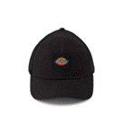 | WH302BK | Mens | Hats | Washed Canvas Trucker | 4014 | $24.99
 | FPR51CNU | Womens | Pants | High Waisted Carpenter Pant | 3986 | $54.99
 | FPR05EWA | Womens | Pants | Duck Canvas Pant | 3873 | $79.99
 | FLR07ML | Womens | Shirts LS | Maple Valley Ls Tee | 3820 | $39.99
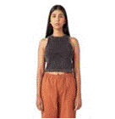 | FSR114KWH | Womens | Shirts SS | Newington Tank | 3808 | $34.99
 | FPW40RDG2 | Womens | Pants | Perfect Shape Stretch Twill Pant Ski | 3765 | $44.99
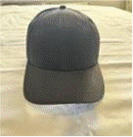 | WHR56BK | Mens | Hats | Two-Tone Trucker Cap | 3736 | $27.99
 | FW202RPN | Womens | Pullover Hood | Heavyweight Graphic Fleece Pullover | 3713 | $49.99
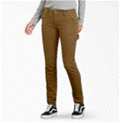 | FD2600RMS | Womens | Utility Pant | Duck Carpenter Pant Slim Straight | 3608 | $49.99
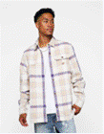 | WLR19NCG | Mens | Shirts LS | Nimmons Plaid Ls Shirt | 3587 | $74.99
 | FRR09EWA | Womens | Pants | Duck Short | 3554 | $54.99
 | FSR114AWA | Womens | Shirts SS | Newington Tank | 3533 | $34.99
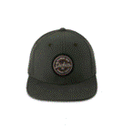 | WHR58OG | Mens | Hats | Duck Flat Bill Cap | 3458 | $27.99
 | WHR16DS | Mens | Hats | Brewton Beanie | 3421 | $32.99
 | TWSK3DV9 | Mens | Pullover Hood | Skate Graphic Fleece Hoodie | 3367 | $69.99
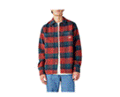 | WLR21CHB | Mens | Shirts LS | Plaid Coaling Ls Shirt | 3239 | $89.99
 | FL075B2J | Womens | Shirts LS | Ls Flannel Shirt | 3215 | $34.99
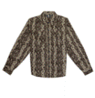 | WLR13BK | Mens | Shirts LS | M Camden Ls Shirt | 3133 | $64.99
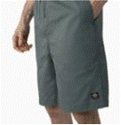 | WRR21LN | Mens | Shorts | Skateboarding Grants Pass Short | 3121 | $54.99
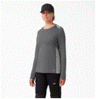 | SLF601GHF | Womens | Shirts LS | L/S Temp Iq 365 Tee | 3023 | $44.99
 | TWR28GV | Mens | Pullover Hood | M Camden Hoodie | 2979 | $74.99
 | FLR101KWH | Womens | Shirts LS | Newington Tee Ls W | 2944 | $39.99
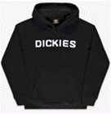 | TWSK3KBK | Mens | Pullover Hood | Skate Graphic Fleece Hoodie | 2898 | $69.99
 | TWR29CH | Mens | Pullover Hood | M Port Allen Fleece | 2886 | $79.99
 | TWR41KBK | Mens | Pullover Hood | Greensburg Graphic Fleece Hoodie | 2825 | $74.99
 | WHR103BKX | Accessories | Hats | Coal Athletic Hat | 2773 | $34.99
 | TWR28KBK | Mens | Pullover Hood | M Camden Hoodie | 2769 | $74.99
 | WH300NT | Mens | Hats | Washed Canvas Cap | 2756 | $19.99
 | TW22BSMY | Mens | Pullover Hood | Wordmark Dwr Pullover Fleece | 2728 | $52.99
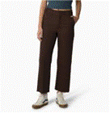 | FPR10IK9 | Womens | Pants | Crop Ankle Pant | 2697 | $74.99
 | FPR50YT9 | Womens | Pants | Cropped Cargo Pant | 2668 | $64.99
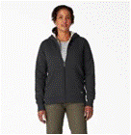 | FW403KBD | Womens | Jackets | Sherpa Lined Full Zip Hoodie | 2650 | $59.99
 | TWR43KBK | Mens | Pullover Hood | Paxico Graphic Fleece Hoodie | 2627 | $74.99
 | TWR41QG2 | Mens | Pullover Hood | Greensburg Graphic Fleece Hoodie | 2609 | $74.99
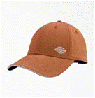 | WH301KL | Mens | Hats | Temp Iq Cooling Cap | 2591 | $27.99
 | FW202MRN | Womens | Pullover Hood | Heavyweight Graphic Fleece Pullover | 2573 | $49.99
 | FLR101AWA | Womens | Shirts LS | Newington Tee Ls W | 2545 | $39.99
 | FPR20FCG | Womens | Pants | Ellis Floral Pant | 2537 | $74.99
 | WRR21BKX | Mens | Shorts | Skateboarding Grants Pass Short | 2510 | $54.99
 | WH800BK | Mens | Hats | M Dickies Flex-Fit Trucker Cap | 2504 | $29.99
 | FPR54YT9 | Womens | Pants | Cargo Jogger Pants | 2465 | $59.99
 | WHR72J2A | Mens | Hats | Canvas Bucket Hat | 2440 | $32.99
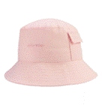 | WHG70LO2 | Mens | Hats | Global Bucket Hat | 2432 | $32.99
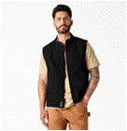 | FE700RFR | Womens | Vests | Sherpa Duck Vest | 2431 | $69.99
 | SLF601KBK | Womens | Shirts LS | L/S Temp Iq 365 Tee | 2413 | $44.99
 | TWR41SN9 | Mens | Pullover Hood | Greensburg Graphic Fleece Hoodie | 2410 | $74.99
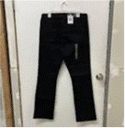 | FD147RBK | Womens | 5 Pocket Pant | Perfect Shape Stretch Denim Jean Boo | 2407 | $49.99
 | TJSK13DRC | Mens | Jackets | Skate New Jacket | 2370 | $99.99
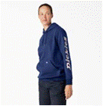 | FW202PMC | Womens | Pullover Hood | Heavyweight Graphic Fleece Pullover | 2366 | $49.99
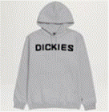 | TWSK3HG | Mens | Pullover Hood | Skate Graphic Fleece Hoodie | 2337 | $69.99
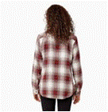 | FL075C1X | Womens | Shirts LS | Ls Flannel Shirt | 2323 | $34.99
 | FW202FL | Womens | Pullover Hood | Heavyweight Graphic Fleece Pullover | 2315 | $49.99
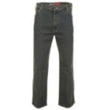 | DU220THK | Mens | Utility Pant | Flex Denim Utility Jean Relaxed | 2289 | $44.99
 | FLR07WH | Womens | Shirts LS | Maple Valley Ls Tee | 2277 | $39.99
 | WH101UR2 | Mens | Hats | 874 Twill Cap | 2265 | $19.99
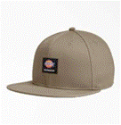 | WHR52DS | Mens | Hats | Skate Flat Bill Cap | 2264 | $27.99
 | WHR58GW9 | Mens | Hats | Duck Flat Bill Cap | 2244 | $27.99
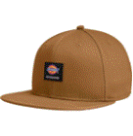 | WHR52BD | Mens | Hats | Skate Flat Bill Cap | 2240 | $27.99
 | WHG70BK | Mens | Hats | Global Bucket Hat | 2236 | $32.99
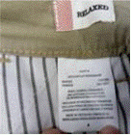 | FR889DS | Womens | Cargo Short | Ripstop Cargo Short | 2226 | $39.99
 | FLR11KBK | Womens | Shirts LS | Garden Plain Graphic Ls Tee | 2225 | $39.99
 | FL44RKBK | Womens | Crew LS | Ls Wordmark Tee | 2194 | $29.99
 | TWR43B2B | Mens | Pullover Hood | Paxico Graphic Fleece Hoodie | 2190 | $74.99
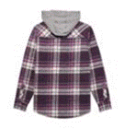 | FJ076A1L | Womens | Jackets | Hooded Flannel Shirt Jacket | 2182 | $64.99
 | WHC203NT | Mens | Hats | Fisherman Cuff Beanie W/Label | 2171 | $24.99
 | FLR11WH | Womens | Shirts LS | Garden Plain Graphic Ls Tee | 2164 | $39.99
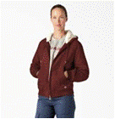 | FJ700RFR | Womens | Jackets | Sherpa Duck Bomber | 2143 | $99.99
 | FPR08IK9 | Womens | Pants | Halleyville Corduroy Wide Leg Pant | 2132 | $79.99
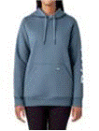 | FW202CNU | Womens | Pullover Hood | Heavyweight Graphic Fleece Pullover | 2122 | $49.99
 | FJ076A1S | Womens | Jackets | Hooded Flannel Shirt Jacket | 2111 | $64.99
 | TJE03EGD | Mens | Jackets | M Wi Falkville Fleece Jacket | 2098 | $99.99
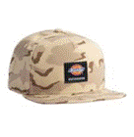 | WHR106DNC | Accessories | Hats | Skate Mid Flat Brim Coal | 2055 | $29.99
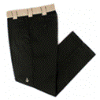 | WPRS1BDC | Mens | Cargo Pant | Ronnie Sandoval Double Knee Pant | 2021 | $79.99
 | TJE03BMN | Mens | Jackets | M Wi Falkville Fleece Jacket | 2010 | $99.99
 | WHR53BD | Mens | Hats | Duck Flat Bill Cap | 2007 | $27.99
 | TJSK13KBK | Mens | Jackets | Skate New Jacket | 2003 | $99.99
 | FW202OG3 | Womens | Pullover Hood | Heavyweight Graphic Fleece Pullover | 1962 | $49.99
 | FD146S1S | Womens | 5 Pocket Pant | Perfect Shape Stretch Denim Jean Str | 1962 | $49.99
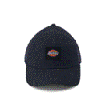 | WH302DN | Mens | Hats | Washed Canvas Trucker | 1959 | $24.99
 | WLR21CHK | Mens | Shirts LS | Plaid Coaling Ls Shirt | 1949 | $89.99
 | FRR55SKD | Womens | Shorts | Ombre Elastic Short | 1944 | $44.99
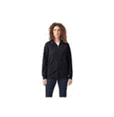 | FW201KBK | Womens | Full Zip Hood | W Heavyweight Fleece Full Zip | 1943 | $54.99
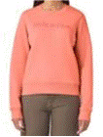 | FW204OO | Womens | Crew LS | Heavyweight Wordmark Crew Fleece | 1925 | $49.99
 | WHR72WH | Mens | Hats | Canvas Bucket Hat | 1908 | $32.99
 | FSR22QG2 | Womens | Shirts SS | Mayetta Ss Tee | 1901 | $34.99
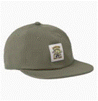 | WHR103MS | Accessories | Hats | Coal Athletic Hat | 1877 | $34.99
 | TWR20KBK | Mens | Pullover Hood | Logo Fleece Hoodie | 1876 | $79.99
 | WLSK6WH | Mens | Shirts LS | Skate Rugby Ls Polo | 1863 | $59.99
 | TWR29OG | Mens | Pullover Hood | M Port Allen Fleece | 1850 | $79.99
 | FW202NU | Womens | Pullover Hood | Heavyweight Graphic Fleece Pullover | 1847 | $49.99
 | FPR21CGB | Womens | Pants | Alma Plaid Pant | 1835 | $99.99
 | WHR106MS | Accessories | Hats | Skate Mid Flat Brim Coal | 1833 | $29.99
 | FPR12YT9 | Womens | Pants | Double Knee Pant | 1827 | $74.99
 | FH004BK | Womens | Hats | Cotton Twill Cap | 1808 | $24.99
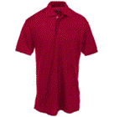 | KS5552ER | Boys | Polo SS | Pique Ss Polo | 1800 | $17.99
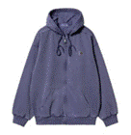 | TWR20WH | Mens | Pullover Hood | Logo Fleece Hoodie | 1796 | $79.99
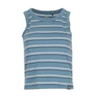 | FSR102NS2 | Womens | Shirts SS | Tank | 1785 | $24.99
 | WHR103WH | Accessories | Hats | Coal Athletic Hat | 1756 | $34.99
 | SLF407MLD | Womens | Shirts LS | Temp Iq Sunshirt | 1755 | $39.99
 | TJR08BK | Mens | Jackets | M Camden Puffer Jacket | 1755 | $149.99
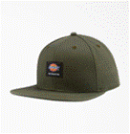 | WHR52OG | Mens | Hats | Skate Flat Bill Cap | 1744 | $27.99
 | FMR11KBK | Womens | Shirts SS | Mapleton Tee Dress | 1727 | $44.99
 | WHR71WH | Mens | Hats | Twill Bucket Hat | 1722 | $27.99
 | FL097EU | Womens | Henleys LS | Ls Henley Shirt | 1721 | $24.99
 | FS201DL2 | Womens | Shirts SS | V-Neck Tee | 1714 | $19.99
 | FPR05SWM | Womens | Pants | Duck Canvas Pant | 1709 | $79.99
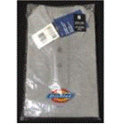 | KS5552HG | Boys | Polo SS | Pique Ss Polo | 1697 | $17.99
 | SS800A25 | Mens | Crew SS | United By Work Tee | 1695 | $39.99
 | TW22BAV2 | Mens | Pullover Hood | Wordmark Dwr Pullover Fleece | 1677 | $52.99
 | WHC203HG | Mens | Hats | Fisherman Cuff Beanie W/Label | 1671 | $24.99
 | FL097GSD | Womens | Henleys LS | Ls Henley Shirt | 1666 | $24.99
 | FS450BWD | Womens | Crew SS | Heavyweight Pocket Tee | 1665 | $16.99
 | WHR51LN | Mens | Hats | Trucker Cap | 1660 | $27.99
 | SS800D25 | Mens | Crew SS | United By Work Tee | 1650 | $39.99
 | FRR55CUD | Womens | Shorts | Ombre Elastic Short | 1622 | $44.99
 | WHR52MR1 | Mens | Hats | Skate Flat Bill Cap | 1605 | $27.99
 | TWR43SN9 | Mens | Pullover Hood | Paxico Graphic Fleece Hoodie | 1599 | $74.99
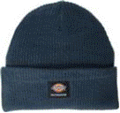 | WHR61AF | Mens | Hats | Skate Flip Up Beanie | 1595 | $22.99
 | WPR27BKX | Mens | Pants | M Camden Pant | 1589 | $79.99
 | FRR50CNU | Womens | Shorts | Carpenter Short | 1578 | $44.99
 | SLFW47F2F | Womens | Shirts LS | Temp Iq Sunshirt - Plus | 1576 | $39.99
 | FW202CBH | Womens | Pullover Hood | Heavyweight Graphic Fleece Pullover | 1562 | $49.99
 | WPRS1DVC | Mens | Cargo Pant | Ronnie Sandoval Double Knee Pant | 1545 | $79.99
 | FR889ML | Womens | Cargo Short | Ripstop Cargo Short | 1543 | $39.99
 | FSR22KBK | Womens | Shirts SS | Mayetta Ss Tee | 1541 | $34.99
 | FPW42RBKX | Womens | Pants | Perfect Shape Stretch Twill Pant Boo | 1533 | $44.99
 | FPR57DN | Womens | Pants | Contrast Cropped Cargo Pant | 1516 | $59.99
 | KS5552GH | Boys | Polo SS | Pique Ss Polo | 1488 | $17.99
 | WHR51MR | Mens | Hats | Trucker Cap | 1483 | $27.99
 | FWR01P2W | Womens | Pullover Hood | Summerdale Hoodie | 1477 | $74.99
 | FL460FL | Womens | Henleys LS | Ls Heavyweight Henley | 1476 | $34.99
 | WHR106IK9 | Accessories | Hats | Skate Mid Flat Brim Coal | 1466 | $29.99
 | FPR52DN | Womens | Pants | Cuffed Utility Pant | 1455 | $64.99
 | WHR50DS | Mens | Hats | Twill Flat Bill Cap | 1452 | $27.99
 | SLFW47AG | Womens | Shirts LS | Temp Iq Sunshirt - Plus | 1433 | $39.99
 | WHR53SL | Mens | Hats | Duck Flat Bill Cap | 1432 | $27.99
 | SS800B25 | Mens | Crew SS | United By Work Tee | 1432 | $39.99
 | FW203LN | Womens | Pullover Hood | Heavyweight Logo Fleece Pullover | 1430 | $49.99
 | FMR11WH | Womens | Shirts SS | Mapleton Tee Dress | 1430 | $44.99
 | FL460GRD | Womens | Henleys LS | Ls Heavyweight Henley | 1424 | $34.99
 | FL097IK9 | Womens | Henleys LS | Ls Henley Shirt | 1411 | $24.99
 | FJ076A2V | Womens | Jackets | Hooded Flannel Shirt Jacket | 1405 | $64.99
 | WHR52LN | Mens | Hats | Skate Flat Bill Cap | 1404 | $27.99
 | FPR50SN9 | Womens | Pants | Cropped Cargo Pant | 1393 | $64.99
 | WLE05QG2 | Mens | Shirts LS | Westover Ls Shirt | 1392 | $89.99
 | SLFW47FE | Womens | Shirts LS | Temp Iq Sunshirt - Plus | 1389 | $39.99
 | WHR103COB | Accessories | Hats | Coal Athletic Hat | 1376 | $34.99
 | FSR114AWF | Womens | Shirts SS | Newington Tank | 1371 | $34.99
 | FLR07KBK | Womens | Shirts LS | Maple Valley Ls Tee | 1366 | $39.99
 | FSR45GG2 | Womens | Shirts SS | Roseburg Ss Shirt | 1356 | $59.99
 | WR351SBOC | Mens | Cargo Short | 11" Ripstop Cargo Short Relaxed | 1319 | $34.99
 | FLR22CGB | Womens | Shirts LS | Alma Plaid Ls Shirt | 1314 | $79.99
 | WH300DL2 | Mens | Hats | Washed Canvas Cap | 1307 | $19.99
 | WH800IK | Mens | Hats | M Dickies Flex-Fit Trucker Cap | 1294 | $29.99
 | FL44RSMY | Womens | Crew LS | Ls Wordmark Tee | 1293 | $29.99
 | WHR50BK | Mens | Hats | Twill Flat Bill Cap | 1288 | $27.99
 | WLE05YT9 | Mens | Shirts LS | Westover Ls Shirt | 1284 | $89.99
 | DD220THK | Mens | 5 Pocket Pant | Flex Denim 5Pkt Jean Relaxed | 1280 | $39.99
 | FSR110WH | Womens | Vests | Yorktown Tank | 1278 | $27.99
 | FLW46OT9 | Womens | Henleys LS | Long Sleeve Heavyweight Henley-Plus | 1251 | $34.99
 | FLW46KBK | Womens | Henleys LS | Long Sleeve Heavyweight Henley-Plus | 1247 | $34.99
 | FL44RP2W | Womens | Crew LS | Ls Wordmark Tee | 1218 | $29.99
 | FL075C1J | Womens | Shirts LS | Ls Flannel Shirt | 1210 | $34.99
 | WHR52AF | Mens | Hats | Skate Flat Bill Cap | 1204 | $27.99
 | FDW146S1S | Womens | 5 Pocket Pant | Perfect Shape Denim Jean Straight-Pl | 1197 | $49.99
 | FPW42RDG2 | Womens | Pants | Perfect Shape Stretch Twill Pant Boo | 1179 | $44.99
 | SL620V2B | Mens | Shirts LS | L/S Temp Iq 365 Tee | 1167 | $39.99
 | FP514RBK | Womens | Pants | Stretch Twill Cargo Pant Straight | 1166 | $44.99
 | FPR60SN9 | Womens | Pants | Seasonal Utility Pant | 1162 | $69.99
 | GVE230VO9 | Mens | Vests | Gd Hi Vis Synthetic Vest | 1146 | $18.99
 | FW201HG | Womens | Full Zip Hood | W Heavyweight Fleece Full Zip | 1137 | $54.99
 | WS22CWH | Mens | Crew SS | Ss Logo Chest Graphic Tee | 1132 | $27.99
 | WHR51BK | Mens | Hats | Trucker Cap | 1119 | $27.99
 | WRR44BG2 | Mens | Shorts | Roseburg Short | 1111 | $54.99
 | BCA12WH | Womens | Crew LS | Bca Optical Logo Crew | 1093 | $59.99
 | FLR22CKD | Womens | Shirts LS | Alma Plaid Ls Shirt | 1093 | $79.99
 | FDW147S1S | Womens | 5 Pocket Pant | Perfect Shape Denim Jean Bootcut-Plu | 1089 | $49.99
 | FSR110DN | Womens | Vests | Yorktown Tank | 1070 | $27.99
 | FSR20BK | Womens | Shirts SS | Chain Lake Vest Tank | 1066 | $27.99
 | SL620LN | Mens | Shirts LS | L/S Temp Iq 365 Tee | 1062 | $39.99
 | WL469HG | Mens | Crew LS | M Dickies Graphic Ls Tee Relaxed | 1057 | $24.99
 | SRF100ML | Womens | Work Short | Temp Iq Short | 1057 | $39.99
 | FH004UR2 | Womens | Hats | Cotton Twill Cap | 1053 | $24.99
 | WHR51SL | Mens | Hats | Trucker Cap | 1051 | $27.99
 | FW701BK | Womens | Pullover Hood | W Protect Pullover Hoodie | 1046 | $99.99
 | WH801KL | Mens | Hats | Flex-Fit Perforated Cap | 1041 | $29.99
 | FW701SL | Womens | Pullover Hood | W Protect Pullover Hoodie | 1040 | $99.99
 | WHR52CB | Mens | Hats | Skate Flat Bill Cap | 1030 | $27.99
 | WLE05D2I | Mens | Shirts LS | Westover Ls Shirt | 1023 | $89.99
 | TWRS1KBK | Mens | Pullover Hood | Ronnie Sandoval Pullover Crew Fleece | 1023 | $74.99
 | WHC101BK | Mens | Hats | Black Patch Foam Trucker | 1016 | $24.99
 | FLR23MG2 | Womens | Shirts LS | Marysville Ls Tee | 1006 | $49.99
 | DUR14FCG | Mens | Pants | Ellis Pant | 1000 | $74.99
 | FRR05C15 | Womens | Shorts | Denim Short | 997 | $49.99
 | FS201S2S | Womens | Shirts SS | V-Neck Tee | 994 | $19.99
 | SPF400GA | Womens | Work Pant | Performance Pant | 988 | $49.99
 | FPR64BKX | Womens | Pants | Lc Twill Pant | 970 | $59.99
 | WS22ALN | Mens | Crew SS | Ss Heavyweight Tricolor Logo Tee | 966 | $27.99
 | TR4010GBR | Mens | Utility Pant | Performance Work Pant W/ Holster Sli | 960 | $179.99
 | FJR22FCG | Womens | Jackets | Ellis Jacket | 956 | $119.99
 | WHR51IK | Mens | Hats | Trucker Cap | 953 | $27.99
 | FWW22EU | Womens | Pullover Hood | Heavyweight Graphic Fleece Pullover- | 950 | $49.99
 | FWW22T1R | Womens | Pullover Hood | Heavyweight Graphic Fleece Pullover- | 941 | $49.99
 | FS306CNU | Womens | Neck SS | Ss V-Neck Tee | 938 | $19.99
 | TWR34CL9 | Mens | Jackets | Beavertown Sweatshirt | 937 | $79.99
 | WHR50MR | Mens | Hats | Twill Flat Bill Cap | 935 | $27.99
 | FD147S1S | Womens | 5 Pocket Pant | Perfect Shape Stretch Denim Jean Boo | 916 | $49.99
 | WL22CF2H | Mens | Crew LS | Ls Logo Chest Graphic Tee | 903 | $29.99
 | TJ210B1M | Mens | Jackets | Sherpa Lined Flannel Shirt Jack Rela | 903 | $59.99
 | WHR50CH | Mens | Hats | Twill Flat Bill Cap | 894 | $27.99
 | BCA0BK | Womens | Jackets | Bca Lined Eisenhower Jacket | 893 | $74.99
 | FW204SMY | Womens | Crew LS | Heavyweight Wordmark Crew Fleece | 886 | $49.99
 | WHR13KH | Mens | Hats | M Camden Bucket Hat | 883 | $44.99
 | WHR71DS | Mens | Hats | Twill Bucket Hat | 879 | $27.99
...

